Flow Diagram
PGVECTOR/POSTGRES IN A DOCKER CONTAINER

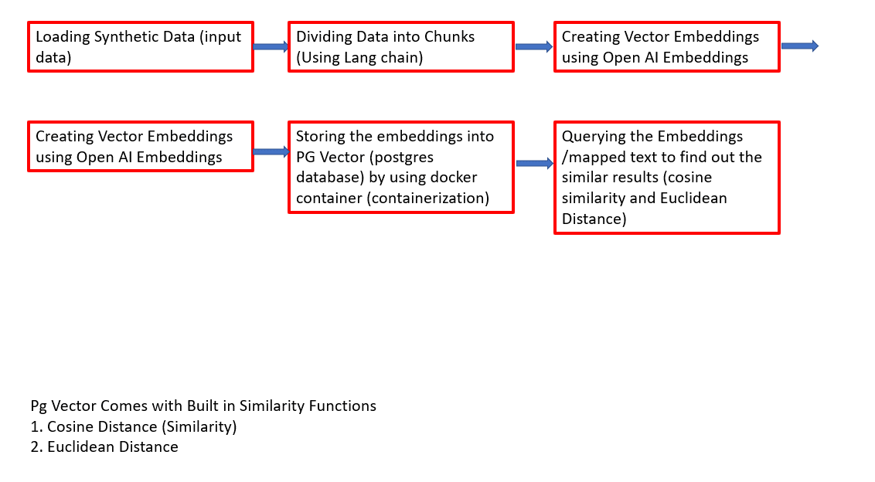

 | NOTE - THIS FLOW DIAGRAM IS APPLICATION TO CLOUD HOSTED VECTOR DB AS WELL LIKE PINECONE. BUT THERE MIGHT BE SLIGHT VARIATION IN ARCHITECTURE DEPENDS ON REST API'S

